Sheet1
DATE | INV NO. | DESCRIPTIONS | AMOUNT | BILLS | PRICE | TOTAL
8-Dec-2025 | 38678 | CAPE DISCOVERY BRUT CUVEE 750ML | 3 | 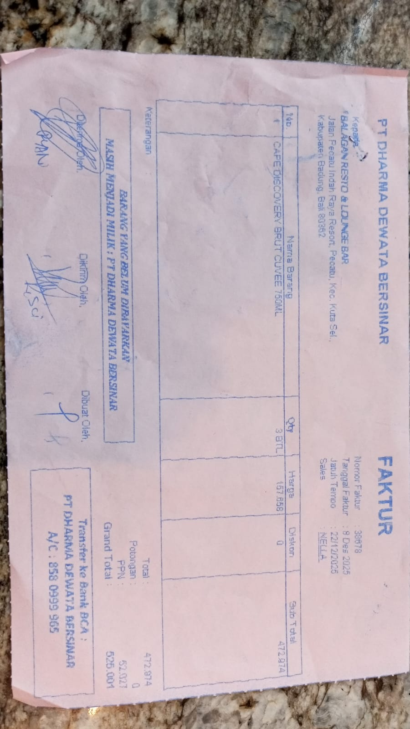 | IDR 157,658 | IDR 472,974
SUB TOTAL |  |  |  |  | PPN | IDR 52,027
TOTAL |  |  |  | Rp525,001
30-Dec-2025 | 00867 | GORDON GIN PREMIUM DRY 750ML | 3 |  | IDR 236,487 | IDR 709,461
 |  | CAPE DISCOVERY BRUT CUVEE 750ML | 3 |  | Rp157,658 | IDR 472,974
SUB TOTAL |  |  |  |  | PPN | Rp130,067
TOTAL |  |  |  | Rp1,312,502

TOTAL

TOTAL
GRAND TOTAL |  |  |  | IDR 1,837,503

